Sheet1
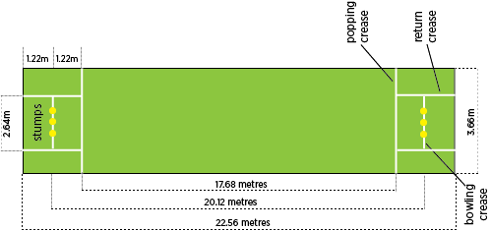
3.05 m | 20.12 m
 |  | 0
width | length | 1
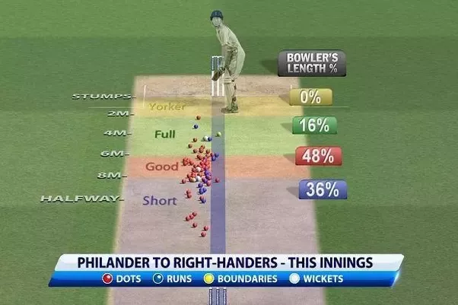
1.21 | 13.52 | 2
1.59 | 14.02 | 3
1.5 | 14.58 | 4
2.08 | 4.75 | 5
1.5 | 15.35 | 6
2.68 | 11 | 7
2.06 | 4.72 | 8
1.45 | 18.37 | 9
0.2 | 7.39 | 10
2.38 | 2.72 | 11
1.3 | 6.76 | 12
1.6 | 2.47 | 13
1.37 | 9.73 | 14
1.43 | 1.3 | 15
2.27 | 17.46 | 16
2.11 | 8.32 | 17
1.2 | 10.5 | 18
1.37 | 10.57 | 19
1.89 | 6.64 | 20
2.6 | 2.73
1.59 | 17
0.49 | 6.54

Step 1 | Know your width & length - 3.05m & 20.12m
Step 2 | Generate random data using randbetween formula
Step 3 | Scatter plot & resize
Step 4 | Edits - removed title, grids, axes & fill green, white dots
Step 5 | Inserted rectangles and color coded

